1. Title Page
[Grocery Basket Analysis]

Project Name: Instacart Grocery Basket Analysis
Date: March 28, 2023
Analyst Name: Xuan Nguyen

Contents:
Population Flow
Consistency checks
Wrangling steps
Column derivations
Visualizations
Recommendations

Data Citatation:
"The Instacart Online Grocery Shopping Dataset 2017", Accessed from “The Instacart Online Grocery Shopping Dataset 2017”, Accessed from https://www.instacart.com/datasets/grocery-shopping-2017 on February 27, 2023.
Customer and Products dataset were fabricated for the purpose of this project.

2. Population Flow
Population flow

Exclusion flag
Condition: max_order < 5
Obervations to be removed: Customer PII 2 columns ( First name and surname) , date joined
Final total count of order_products_all: 30,964,564

Orders_products_combined
Orders_products_merged
final_prod_ords_cust

Total: 32,434,489
Total: 32,404,859
Total: 30,964,564

1.) The grey boxes in the first row of the population flow represent the original data sets as they were when you downloaded them. In the Total fields you need to add the count of the rows when you imported the data set into Jupyter.
2.) The second row of boxes (coloured) represents the data sets after you manipulated them, e.g., removed missing values and duplicates. In the Total fields you need to add the count of the rows after conducting these operations. This offers a visual oveview of how the data flows throughout the data consistency checks.
3.) The third row, where also the arrows are coloured, represents the merges you performed between the datasets. In the Total fields you need to add the count of the rows in the merged datasets, so that you end up with the final dataset (in the red box). Keep in mind the final dataset should be without exclusions (based on the exclusion flag).

3. Consistency checks
Consistency checks

Dataset | Missing values | Missing values treatment | Duplicates
orders | 206,209 missing "days_since_prior_order" | Missing values were left alone due to the fact that the values corresponded to a specific user's single purchase. | 0
products | 16 missing "product_name" | Removed from dataset | 5 duplicates found and were cleaned
orders_products_prior | 0 | N/A | 0
customers | 0 | N/A | 0

4. Wrangling steps
Wrangling steps

Columns dropped | Columns renamed | Columns' type changed | Comment/Reason
eval_set |  |  | Column was not relevant to the analysis
 | order_dow' -> 'orders_day_of_week' |  | Renamed to provide clarity
 |  | order_id' changed from 'int' to 'str' | Provides no meaningful descriptive statistics
 |  | user_id changed from 'int' to 'str' | Provides no meaningful descriptive statistics
 | department_id was transposed |  | Provide readability
Unnamed: 0 |  |  | Column was not relevant to the analysis
_merge |  |  | Column was not relevant to the analysis
First Name |  |  | Data privacy, removed PII
Surnam |  |  | Data privacy, removed PII
date_joined |  |  | Column was not relevant to the analysis
 | Gender -> gender |  | Renamed to provide clarity and consistency
 | STATE -> state |  | Renamed to provide clarity and consistency
 | Age -> age |  | Renamed to provide clarity and consistency
 | n_dependants -> number_of_dependants |  | Renamed to provide clarity and consistency
 | fam_status -> family_status |  | Renamed to provide clarity and consistency

5. Column derivations
Column derivations and aggregations

In this tab you should add tables below that the frequences of flags/label variables that you produced after deriving them. NB: don't do this for continuous variables, only for flags.
Dataset | New column | Column/s it was derived from | Conditions
orders_products_merged | price_range_loc | prices | If prices is greater than 15 : High range product If prices is between 5 and/including 15 : Mid range product If prices is less than 5 : Low range product
orders_products_merged | busiest_day | orders_day_of_week | If orders_day_of_week is 0 or 1 : Busiest days If orders_day_of_week is 3 or 4 : Slowest days If orders_day_of_week is 2, 5, or 6 : Regular days
orders_products_merged | busiest_period_of_day | order_hour_of_day | If order_hour_of_day is between 9 and 16 : Most orders If order_hour_of_day is between 0 and 6 or value is 23 : Least orders All otherorder_hour_of_day : Average orders
orders_products_derived | loyalty_flag | max_order | If max_order is greater than 40 : Loyal customer If max_order is > 10 and less than or equal to 40 : Regular customer If max order is less than or equal to 10 : New customer
orders_products_derived | spender_flag | avg_price | If avg_price is less than 10 : Low spender If avg_price is greater than or equal to 10 : High spender
orders_products_derived | frequency_flag | med_freq | If med_freq is greater than 20 : Non-frequent customer If med_freq is greater than 10 and less than or equal to 20 : Regular customer If med_freq is less than or equal to 10 : Frequent customer
orders_products_customers | region | state | northeast = ['Maine', 'New Hampshire', 'Vermont', 'Massachusetts', 'Rhode Island', 'Connecticut', 'New York', 'Pennsylvania', 'New Jersey'] midwest = ['Wisconsin', 'Michigan', 'Illinois', 'Indiana', 'Ohio', 'North Dakota', 'South Dakota', 'Nebraska', 'Kansas', 'Minnesota', 'Iowa', 'Missouri'] south = ['Delaware', 'Maryland', 'District of Columbia', 'Virginia', 'West Virginia', 'North Carolina', 'South Carolina', 'Georgia', 'Florida', 'Kentucky', 'Tennessee', 'Mississippi', 'Alabama', 'Oklahoma', 'Texas', 'Arkansas', 'Louisiana'] west = ['Idaho', 'Montana', 'Wyoming', 'Nevada', 'Utah', 'Colorado', 'Arizona', 'New Mexico', 'Alaska', 'Washington', 'Oregon', 'California', 'Hawaii']
orders_products_customers | activity_flag | max_order | If max_order is less than 5 : Low-activity If max_order is greater than or equal to 5 : High-activity
high_activity_customers | age_group | age | If age is between 18 and 40 : Young Adult If age is betweeen 40 and 65 : Middle-Aged If age is greater than equal to 65 : Senior
high_activity_customers | income_group | income | If income is less than 70000 : Low If income is between 70000 - 120000 : Middle If income is greater than 120000 : High
high_activity_customers | family_size | number_of_dependants | If number of dependants is equal to 0 : Small If number of dependants is 1 or 2 : Medium If number of dependants 3 or more : Large

6. Visualizations
Visualisations

In this tab you should include all the visualtions from Exercises 4.9 and 4.10, alongside the questions from the project brief that they answer. Include any commentary on the relationship between different variables.

 | The sales team needs to know what the busiest days of the week and hours of the day are (i.e., the days and times with the most orders) in order to schedule ads at times when there are fewer orders.


 | Analysis shows that the busiest days of the week are Saturday and Sunday, which corresponds to the fact that these days are the weekend in which customers are not working and therefore making their weekly purchases. In addition, the histogram showing the frequency of orders made per hour, shows that the hours between 9am and 5pm have the highest number of orders, with 10am being the peak hour for orders.

 | They also want to know whether there are particular times of the day when people spend the most money, as this might inform the type of products they advertise at these times.

Period of Day Grouping:
Most Orders : 9am to 4 pm
Average Orders : 11pm to 6am
Least Orders : 7am to 8am & 5pm to 10pm
 | 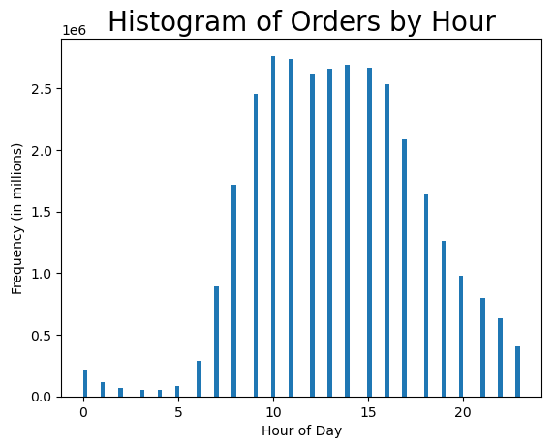 |  |  |  |  | 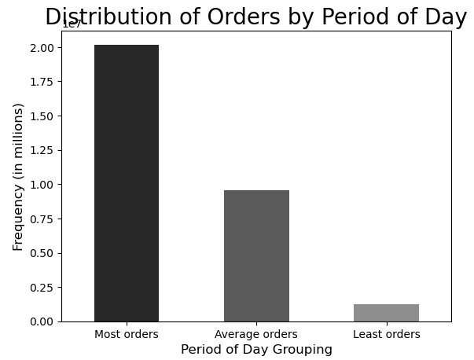
 | Analysis shows that the hours of 9am-4pm have the highest frequency of orders. Orders between 10am and 4pm are above 2 million. Period of day was grouped into 3 distinct groups to show the frequency of orders. Average Order grouping make up half of the Most Orders grouping.

 | Instacart has a lot of products with different price tags. Marketing and sales want to use simpler price range groupings to help direct their efforts

Price Range Grouping:
High range product : prices > 15
Mid range product : 5 < prices <= 15
Low range product : prices <= 5
 | 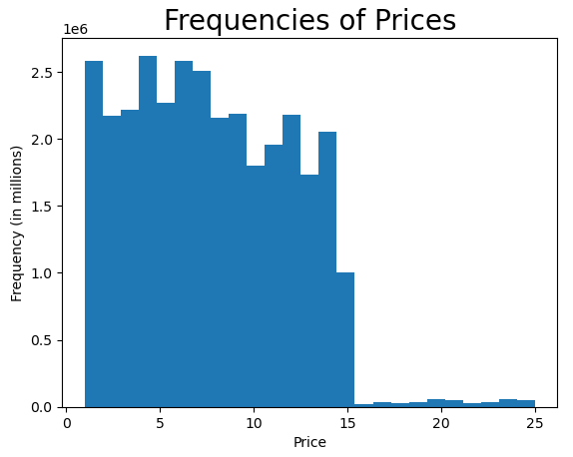 |  |  |  |  | 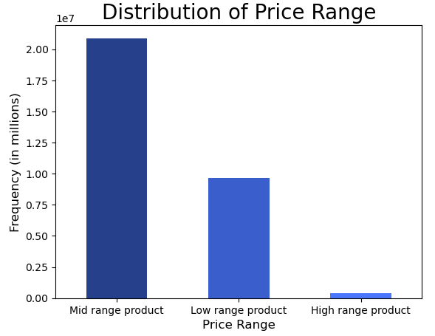 |  |  |  |  |  | 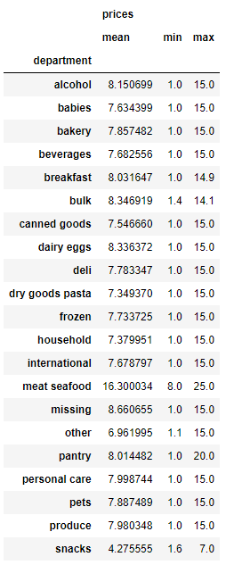

 | Prices were grouped into 3 distinct groupings as shown above. Analysis shows that majority of the products ordered are in the Mid range product. The lowest priced product is $1, while the highest priced product is $25.

 | Are there certain types of products that are more popular than others? The only marketing and sales teams want to know which departments have the highest frequency of product orders.
 |  | 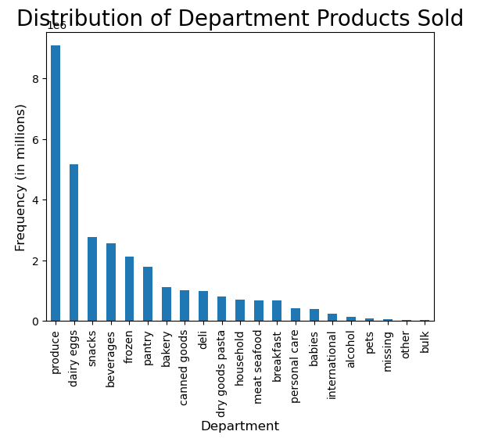 |  |  |  |  |  | 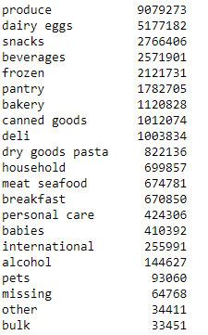

 | Produce is the top department with over 9 million of products ordered. Dairy/eggs follows with over 5 million products ordered. Snacks and Beverages follow with roughly 2.7 million and 2.5 million products ordered respectively.

 | What’s the distribution among users in regards to their brand loyalty (i.e., how often do they return to Instacart)?

Loyalty Grouping:
Regular Customer : 10 < max_order <= 40
Loyal Customer : max_order > 40
New Customer : max_order <= 10
 |  | 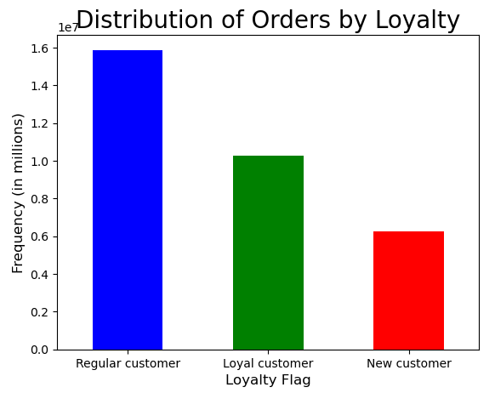
 | Regular Customers (those making purchases between 10 and 40) make up the vast majority of the user base while Loyal Customers follows closely behind.

 | Are there differences in ordering habits based on a customer’s loyalty status?

 | 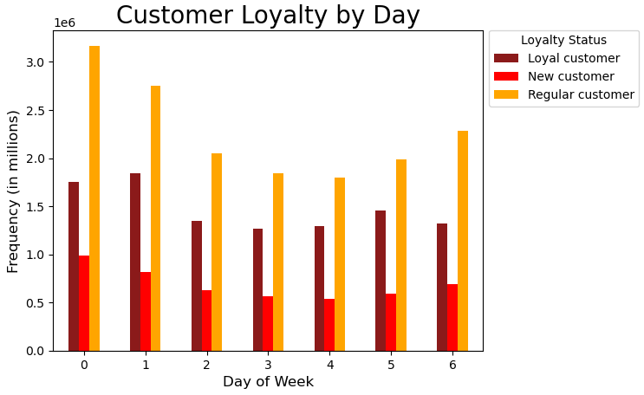 |  |  |  |  |  |  |  | 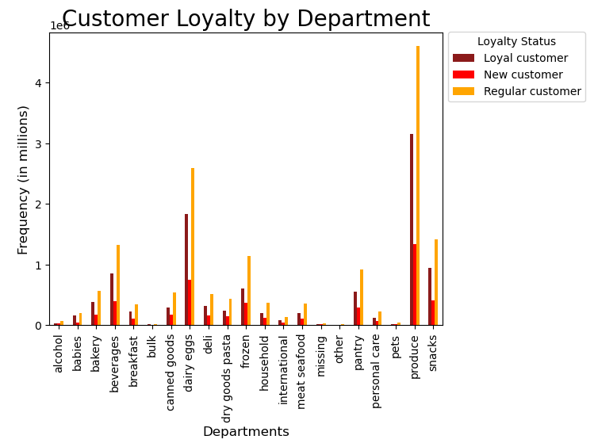
 |  |  | 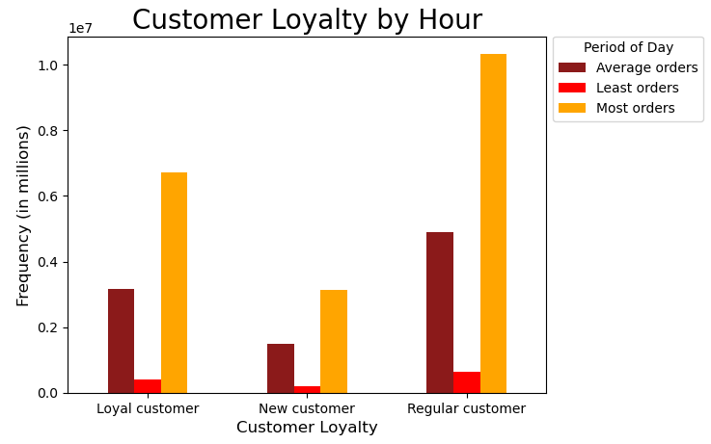
 | Analysis was done on customer's loyalty status of orders placed by day, hour, and deparment. In regards to orders by day, Saturday and Sunday remain the top days that customers place orders. In regards to orders by hour, most orders are placed between 9am and 4pm. Additionally, when comparing orders by departments, produce and dairy eggs are the top departments with the most orders placed.

 | Are there differences in ordering habits based on a customer’s region?
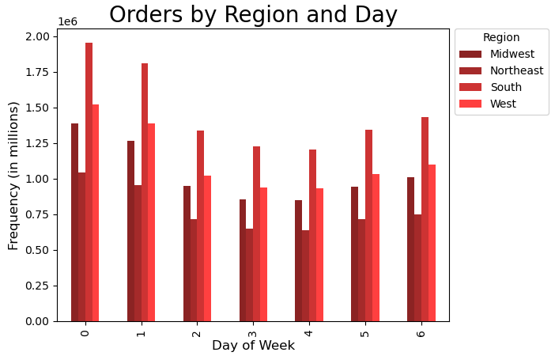 |  |  |  |  |  |  |  |  |  | 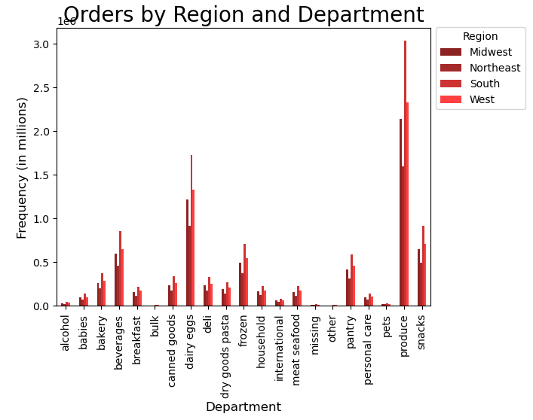
 |  |  |  | 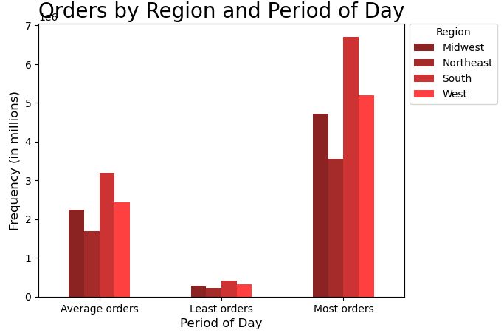
 | The South region has the highest amount of orders placed, with the West region having the second highest. The orders placed across day, hours, and department has no significant change in purchase habits of customers.

Age Group:
Young Adult : 18 - 39 YO
Middle-Aged : 40 - 64 YO
Senior : 65+ YO
 | Is there a connection between age and family status in terms of ordering habits?
 | 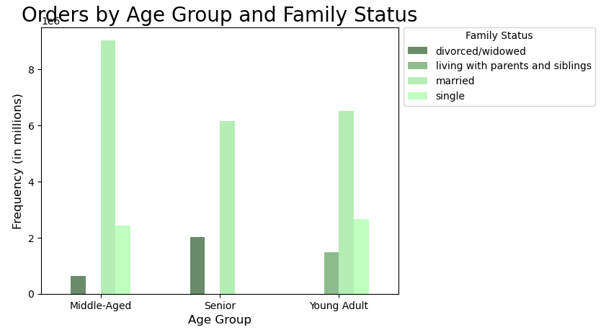

 | Age was broken into three groups as shown above. Analysis shows that majority of orders are placed by married users in each age group.

 | What different classifications does the demographic information suggest? Age? Income? Certain types of goods? Family status?
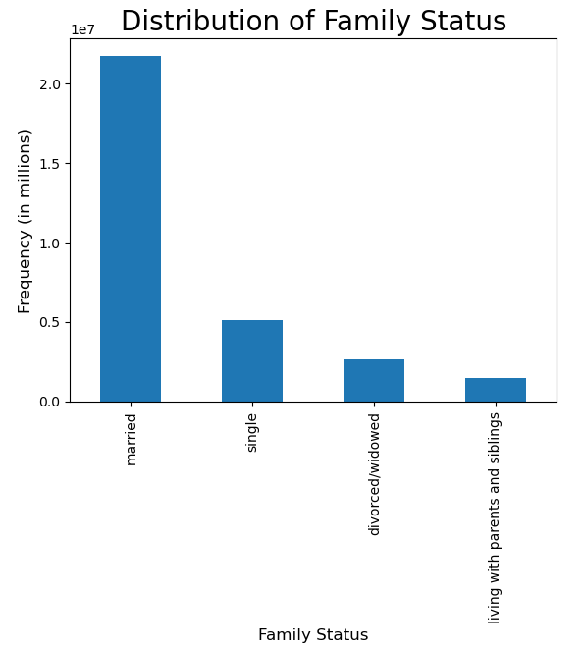 |  |  |  |  |  | 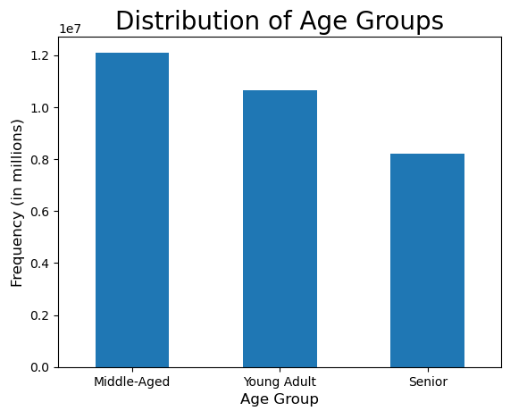 |  |  |  |  | 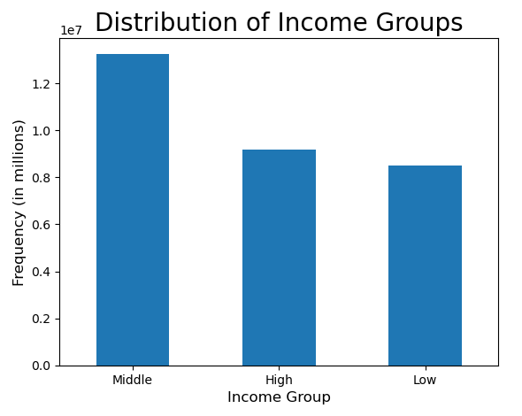
 |  |  |  |  | 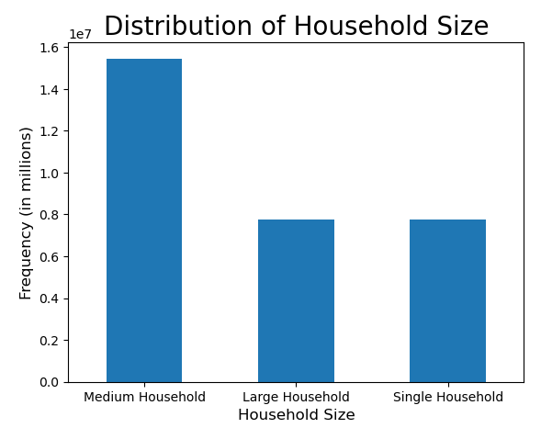
 | When comparing the frequency of orders across different demographics, there is one group that makes the most purchases. In terms of family status, married users tend to make the most purchase. In terms of age groups, middled-age users make the most purchase. In terms of income groups, middle makes the most purchases. Finally, in terms of household size, medium household makes the most purchases. This shows that the majority of the users are in the "middle" in terms of demographics.

Age Group
Income Group
Household Size
 | What differences can you find in ordering habits of different customer profiles? Consider the price of orders, the frequency of orders, the products customers are ordering, and anything else you can think of.
 |  | 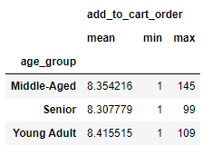 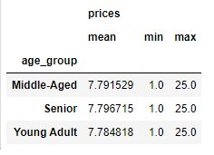 |  |  |  |  | 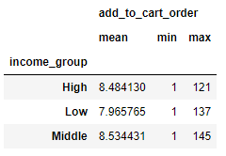 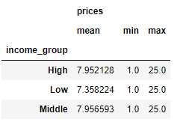 |  |  |  |  |  | 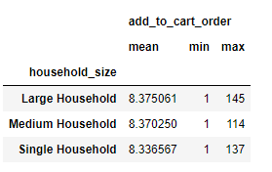 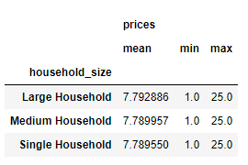
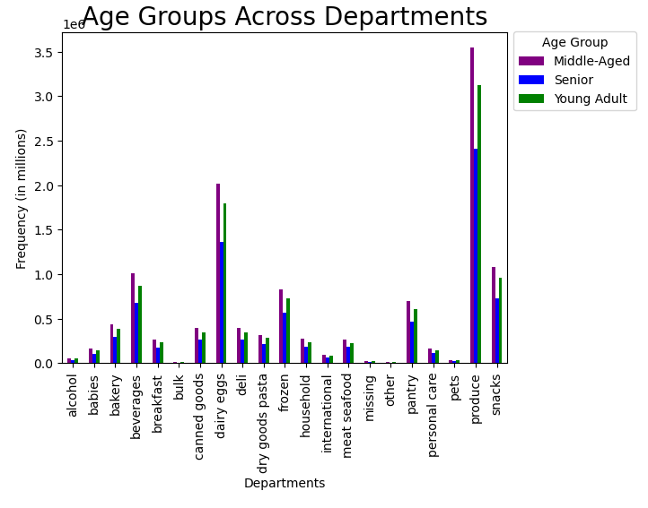 |  |  |  |  | 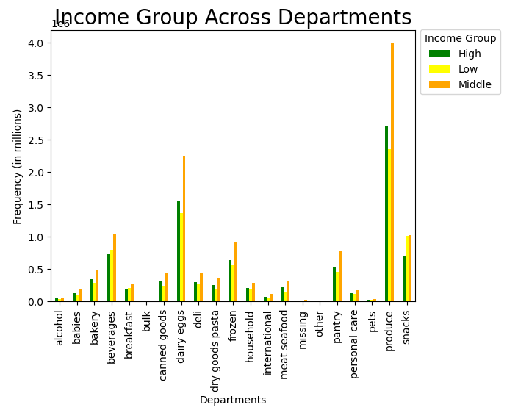 |  |  |  |  |  | 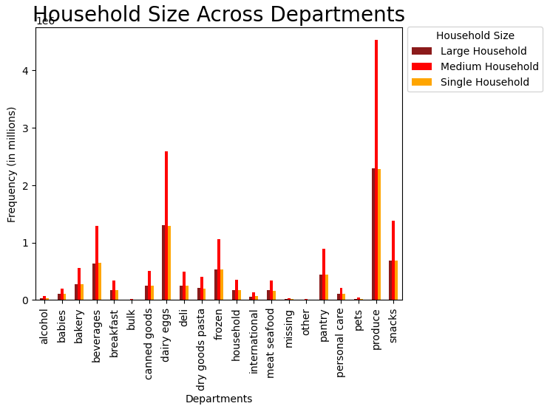

 | When comparing across different profiles, analysis does not show major differences between the purchasing habits of each profile. In fact, there shows a consistency in the purchasing behaviors of each group.

7. Recommendations
Recommendations

In this tab you should include any recommendations you would made to Instcart in terms of their marketing strategy based on the questions posed in the brief. Every key question has been covered in the Tasks of the Exercises - here you need to add an item - a visualisation or table/crosstable that is showing the answer in the data, acompanied by a comment from you. Please, list the questions below and add the answer underneath.

Question | Answer
1. The sales team needs to know what the busiest days of the week and hours of the day are in order to schedule ads at times when there are fewer orders. | The busiest days of the week are Saturday and Sunday. In addition, the busiest hours of the day are between 9am and 5pm. Recommend to provide additional ads during this time, particularly on the weekends as these are most likely the days off for the users who are making their weekly purchases. Promotions can be run during these days to give customers incentives to purchase more products.

2. They also want to know whether there are particular times of the day when people spend the most money, as this might inform the type of products they advertise at these times. | The hours between 9am and 5pm have the most purchase orders, with the orders peaking at 10. Further analysis can be done to break down the products ordered during these times to provide the sales team further information on providing ads for particular products.

3. Instacart has a lot of products with different price tags. Marketing and sales want to use simpler price range groupings to help direct their efforts | Product prices ranges from $1 to $25. The prices were grouped into 3 different price ranges: Low range product (less than $5), Mid range product (between $5 and $15) ,and High range product (greater than $15). Majority of the purchases made were within the Mid range product. Recommend providing additional ads and promotions for this product group.

4. Are there certain types of products that are more popular than others? The only marketing and sales teams want to know which departments have the highest frequency of product orders. | The top performing departments are produce and dairy/eggs, with snacks and beverages following behind. Promotions in these particular departments is recommended, as they are essential to the user.

5a. What’s the distribution among users in regards to their brand loyalty (i.e., how often do they return to Instacart)? | Customers were broken into 3 distinct groups based on the amount of orders placed: New customer (orders less than 10), Regular customer (orders between 10 and 40), and Loyal customers (orders greater than 40). Majority of users fall within the Regular customer category, with Loyal customers making up approximately half of the Regular customer. Recommend providing a Loyalty/Rewards programs to those that fall within these two groups. Tiers can be set to provide additional perks.

5b. Are there differences in ordering habits based on a customer’s loyalty status? | There was no differences in ordering habits based on customer's loyalty status. Purchases were consistent across day, hour and departments. As mentioned previously, providing a Loyalty/Rewards program is recommended.

5c. Are there differences in ordering habits based on a customer’s region? | The Southern region has the highest amount of purchasing orders. There is no differences in ordering habits when comparing across regions. Recommend that additional ads be provided to these regions to further grow the consumer base.

5d. Is there a connection between age and family status in terms of ordering habits? | Age was broken into 3 distinct groups: Young adult (18 - 39 YO), Middle-Aged (40 - 64 YO), and Senior (65+ YO). The majority of orders purchased were from users that were married in each age group. Recommend that there be specific ads/promotions for married users.

5e. What different classifications does the demographic information suggest? Age? Income? Certain types of goods? Family status? | When comparing the frequency of orders across different demographics, there is one group that makes the most purchases. In terms of family status, married users tend to make the most purchase. In terms of age groups, middled-age users make the most purchase. In terms of income groups, middle makes the most purchases. Finally, in terms of household size, medium household makes the most purchases. This shows that the majority of the users are in the "middle" in terms of demographics.

5f. What differences can you find in ordering habits of different customer profiles? Consider the price of orders, the frequency of orders, the products customers are ordering, and anything else you can think of. | The analysis shows no major differences between the ordering habits of each customer profile. A consistency is shown across each customer profile on the ordering habits.

Final Recommendation As stated previously, a Loyalty/Reward program should be created to provide incentives for users to continue utilizing Instacart's services. Additionally, ads and promotions should be increased based on the above mentioned criteria. Further marketing plan for specific criterias will provide increase in purchases to ensure Instacart's continued success.

